8
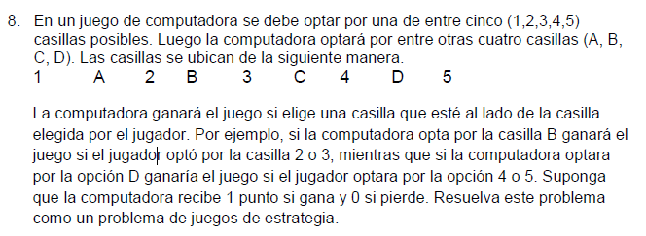

PL MIN CPU
MIN V
Subject to
-1p1 + 1p2 + 1p3 + 1P4 - V <= 0
-1p1 - 1p2 + 1p3 + P4 - V <= 0
1p1 - 1p2 - 1p3 + 1P4 - V <= 0
1p1 + 1p2 - 1p3 - 1P4 - V <= 0
1p1 + 1p2 + 1p3 - 1P4 - V <= 0
p1 + p2 + p3 + p4 = 1
p1 >= 0
p2 >= 0
p3 >= 0
p4 >= 0
END
PL MAX HUMANO
MAX V
Subject to
-1p1 - 1p2 + 1p3 + P4 + P5 - V >= 0
1p1 - 1p2 - 1p3 + P4 + P5 - V >= 0
1p1 + 1p2 - 1p3 - 1P4 + P5 - V >= 0
1p1 + 1p2 + 1p3 - 1P4 - 1P5 - V >= 0
p1 + p2 + p3 + p4 + p5= 1
p1 >= 0
p2 >= 0
p3 >= 0
p4 >= 0
p5 >= 0
END
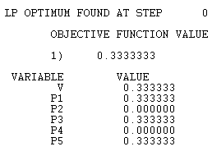
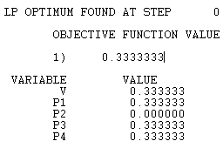
 |  | Computadora
 |  | A | B | C | D
Humano | 1 | -1 | 1 | 1 | 1 | -1 | p1
 | 2 | -1 | -1 | 1 | 1 | -1 | p2
 | 3 | 1 | -1 | -1 | 1 | -1 | p3
 | 4 | 1 | 1 | -1 | -1 | -1 | p4
 | 5 | 1 | 1 | 1 | -1 | -1 | p5
 |  | 1 | 1 | 1 | 1
 |  | q1 | q2 | q3 | q4

PL MIN CPU
MIN V
Subject to
0p1 + 1p2 + 1p3 + 1P4 - V <= 0
0p1 + 0p2 + 1p3 + P4 - V <= 0
1p1 + 0p2 + 0p3 + 1P4 - V <= 0
1p1 + 1p2 + 0p3 + 0P4 - V <= 0
1p1 + 1p2 + 1p3 + 0P4 - V <= 0
p1 + p2 + p3 + p4 = 1
p1 >= 0
p2 >= 0
p3 >= 0
p4 >= 0
END
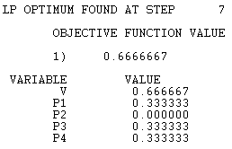
 |  | Computadora
 |  | A | B | C | D
Humano | 1 | 0 | 1 | 1 | 1 | 0
PL MAX HUMANO
MAX V
Subject to
0p1 + 0p2 + 1p3 + P4 + P5 - V >= 0
1p1 + 0p2 + 0p3 + P4 + P5 - V >= 0
1p1 + 1p2 + 0p3 + 0P4 + P5 - V >= 0
1p1 + 1p2 + 1p3 + 0P4 + 0P5 - V >= 0
p1 + p2 + p3 + p4 + p5= 1
p1 >= 0
p2 >= 0
p3 >= 0
p4 >= 0
p5 >= 0
END
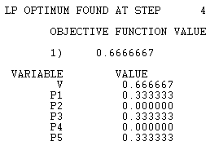
 | 2 | 0 | 0 | 1 | 1 | 0
 | 3 | 1 | 0 | 0 | 1 | 0
 | 4 | 1 | 1 | 0 | 0 | 0
 | 5 | 1 | 1 | 1 | 0 | 0
 |  | 1 | 1 | 1 | 1

